Sheet1
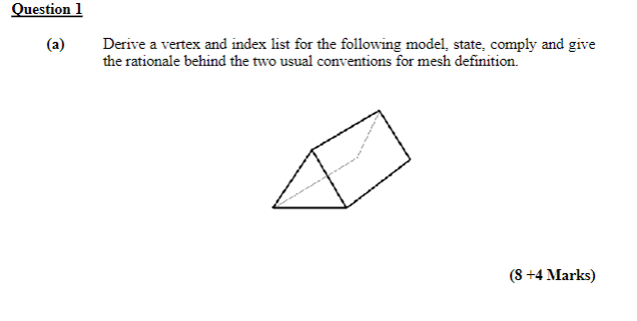

3

0
5
4

1
2

Vertex List | x | y | z |  | Origin in center of mass |  | Rotations and scaling work "around" the origin
0 | 0 | 2 | 1
1 | -1 | -1 | 1
2 | 1 | -1 | 1
3 | 0 | 2 | -1
4 | -1 | -1 | -1
5 | 1 | -1 | -1
 |  |  |  | Faces described in same direction (usually counter clockwise)
 |  |  |  | Back face culling
Index List |  |  |  | UV indices
Front | 0 | 1 | 2 | 0 | 2 | 3
Back | 3 | 5 | 4 | 9 | 7 | 6
Right | 0 | 2 | 5 | 0 | 3 | 4
 | 0 | 5 | 3 | 0 | 4 | 1
Left | 0 | 3 | 4 | 8 | 9 | 6
 | 0 | 4 | 1 | 8 | 6 | 5
Base | 1 | 4 | 5 | 3 | 5 | 6
 | 1 | 5 | 2 | 3 | 6 | 4

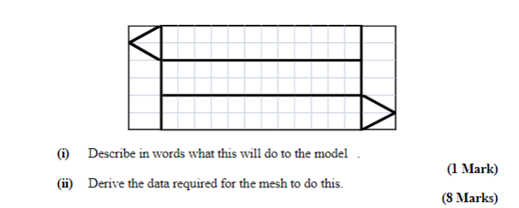
0
1
(1,1)
F
Right
2
4
3
Base
6
5
Left
B
7
(0,0)
8
9

Texture Coordinates
 | u | v
0 | 0.2 | 1
1 | 0.8 | 1
2 | 0 | 0.83333333333
3 | 0.2 | 0.66666666667
4 | 0.8 | 0.66666666667
5 | 0.2 | 0.33333333333
6 | 0.8 | 0.33333333333
7 | 1 | 0.16666666667
8 | 0.2 | 0
9 | 0.8 | 0

 | Foreach triangle, we could describe using 3 integers vs 3 * 3 = 9 floating point
 | For the above, we needed 6*3 = 18 floating point numbers
 | and 8*3 = 24 integers to describe the geometry

 | If we did not index, we would have had to describe the 8 triangle s each with 9 floating points = 72

